Law Enforcement-Fusion Center
REPAC Law Enforcement-Fusion Center Subcommittee 2024 Projects Ranking
Project Name | Jurisdiction(s) | Final $ | Submitted $ | Working Group Rank | Vendor Hold (Y/N) | Regional Level | HSSP (Y/N) | THIRA (Y/N)
Intelligence Gathering - Information Sharing / Southwest Texas Fusion Center | City of San Antonio | $224,100.00 | $344,100.00 | 5 | N | Y
Sustainment/Enhancement of the Hostage Negotiation Team | City of San Antonio | $0.00 | $44,754.00
Enhancement of the Police Department Drone Detail | City of San Antonio | $45,000.00 | $45,000.00 | 4 | N | Y
Bomb Squad Sustainment | City of San Antonio | $116,000.00 | $266,515.55 | 1 | N | Y
SWAT Sustainment and Enhancement | City of San Antonio | $35,000.00 | $94,480.00 | 2 | N | Y
Tac Medic Equipment | City of San Antonio | $0.00 | $73,000.00 | 9
Risk Management for Protection Programs and Activities | City of San Antonio | $0.00 | $350,000.00
Unmanned Aircraft Systems Program | City of Kerrville | $61,000.00 | $61,000.00 | 10 | N | Y
Specialized Tactical Operations Project (STOP) | City of Cibolo | $56,020.00 | $95,595.00 | 7 | N | Y
Tactical Law Enforcement Equipment | City of New Braunfels | $300,000.00 | $439,000.00 | 8 | N | Y
BCSO SWAT Tactical Equipment | Bexar County | $112,000.00 | $350,000.00 | 3 | N | Y
Skydio Drone Program | City of Seguin | $52,194.80 | $52,194.80 | 9 | N | Y
Alamo Area Metro SWAT- Armored Rescue Vehicle | City of Seguin | $259,850.00 | $259,850.00 | 6 | N | Y

 | Totals | $1,261,164.80 | $2,475,489.35

REPAC Emergency Response-LE Chair/Co-Chair:

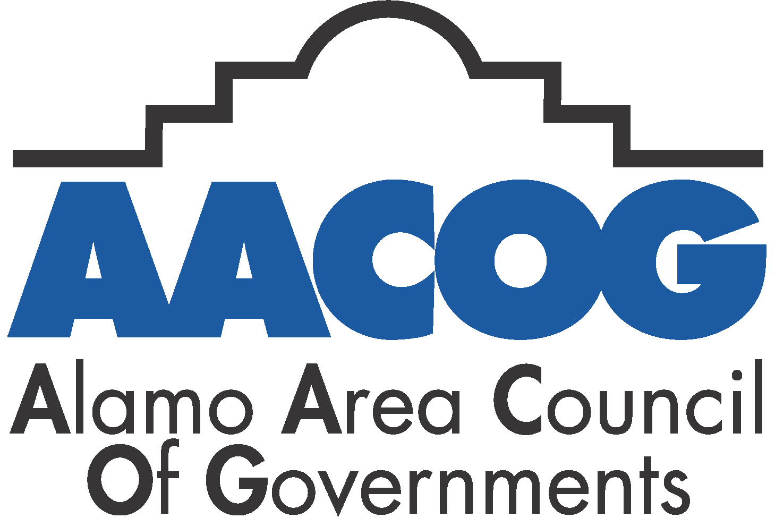
Date:
 |  |  |  |  | CoI = Conflict of interest. Per State policy no employee can vote on or rank a project form their jurisdiction. An example is county employee cannot vote on or rank a sheriff’s office project because they are all considered by the state as employed by the same jurisdiction.

Printed First Initial/Last name:

Signature:

